DB
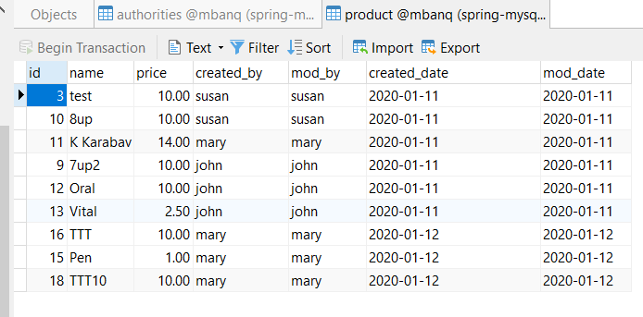
Tittle | Product Api Document

DB Struture

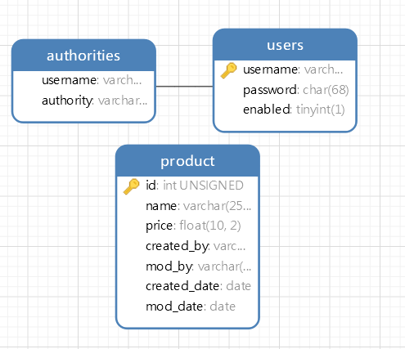
 |  | table: Users | pass: 123

 |  | table: authorities
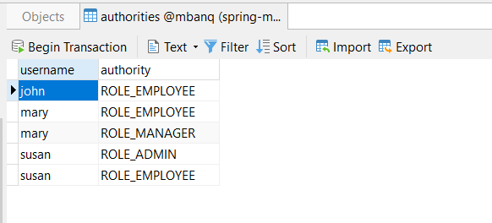

 | table: product

Oauth2
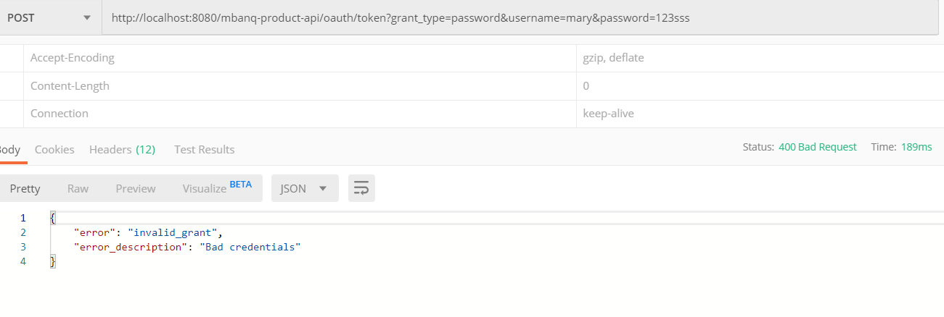
Tittle | Product Api Document

Case 1: Config Oauth2 |  |  | Param: user: mary & pass: 123

 | Authorization | user: admin |  | pass: secret

 | After Preview Request |  | I got Authorization in header

 | After click button Send |  | I can get access_token from server and have expire time

Case 2: Wrong Password

Read Data
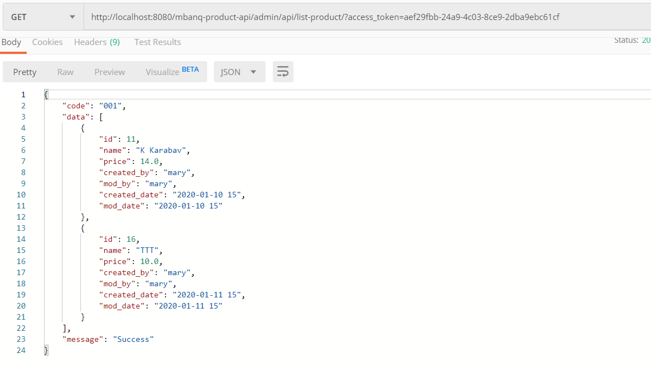
Tittle | Product Api Document

Case 1: Read from Product with no access_token

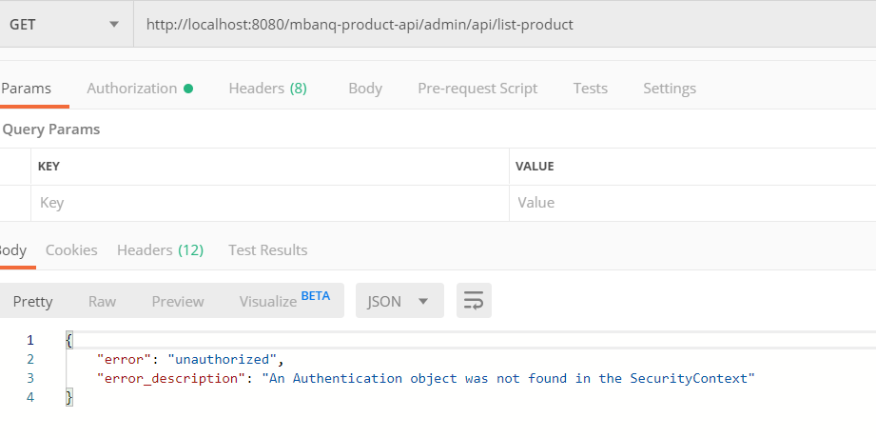

Case 2: Read from product with access_token expire

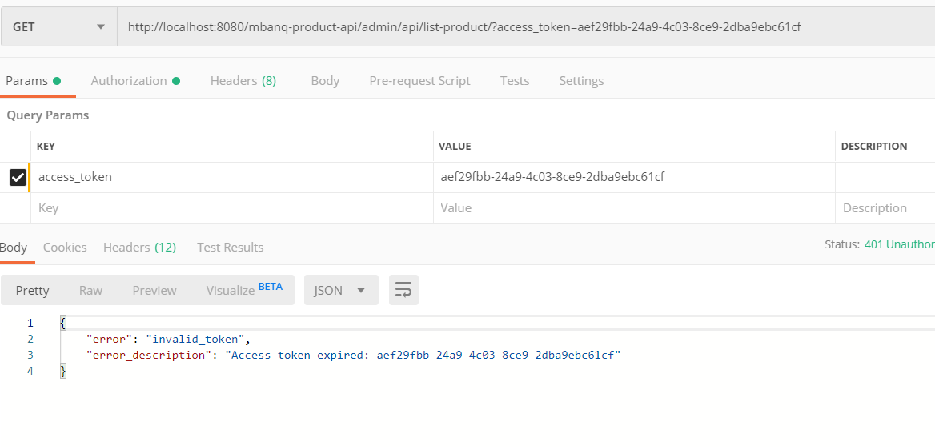

Case 3: Read from product with access_token and get only user login (mary) data

Create Data
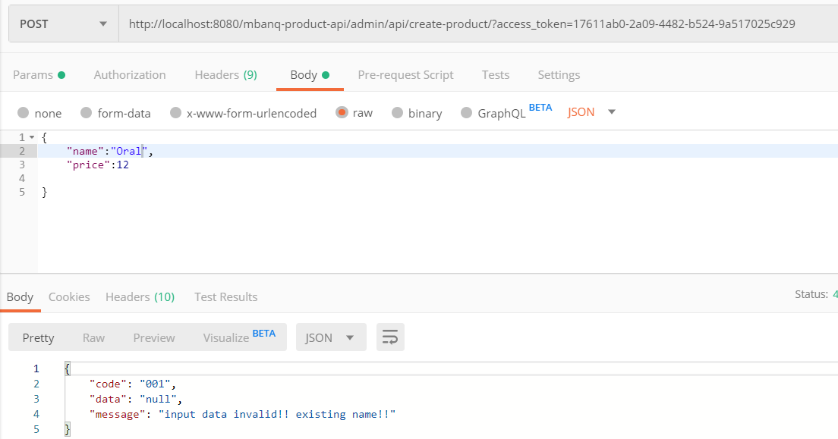
Tittle | Product Api Document

Case 1: Create product with no access_token

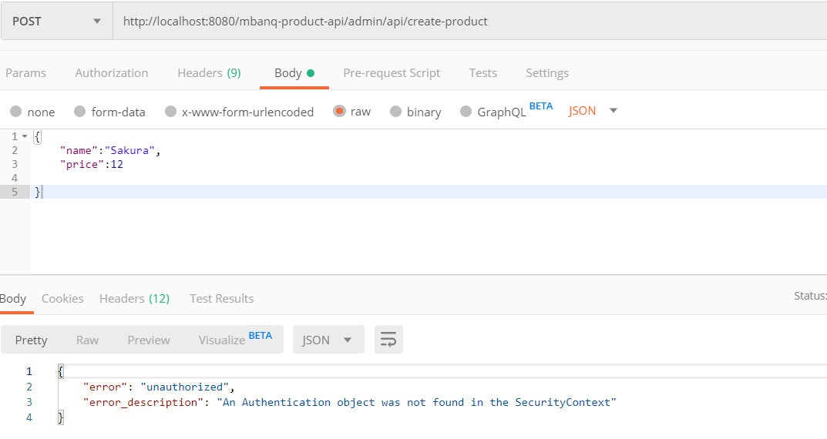

Case: 2 Create product with access_token for mary user(logined)

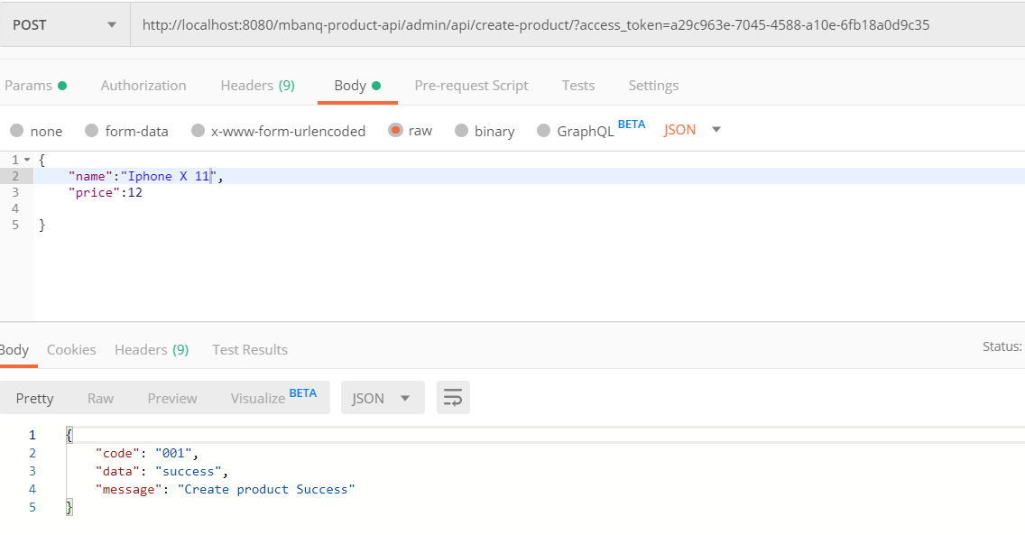

 | Output Data in DB

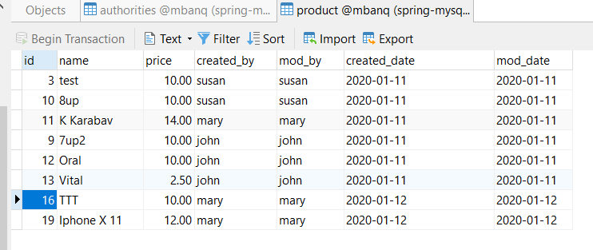

Case 3: Create product with json name is empty

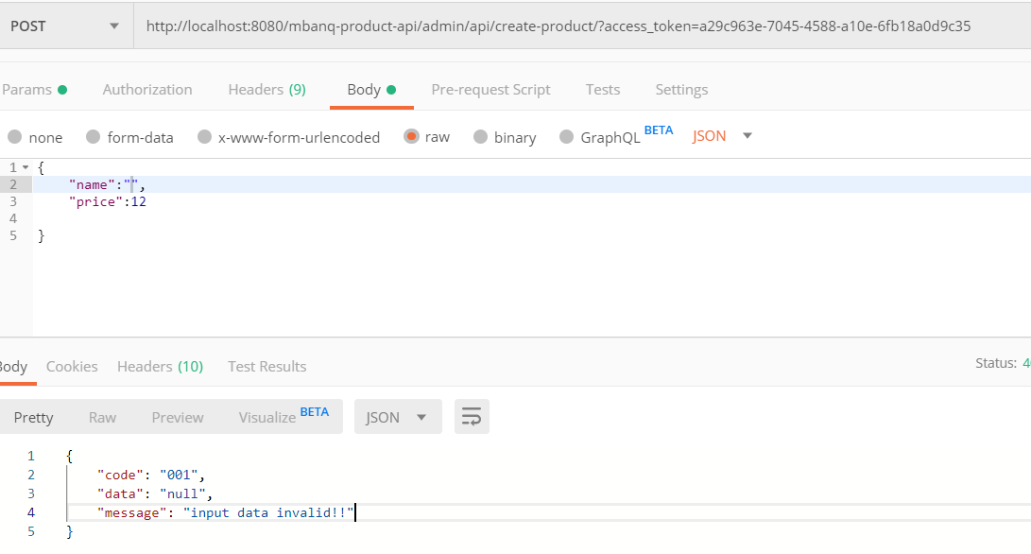

Case 4: Create product with existing name in DB

Delete Data
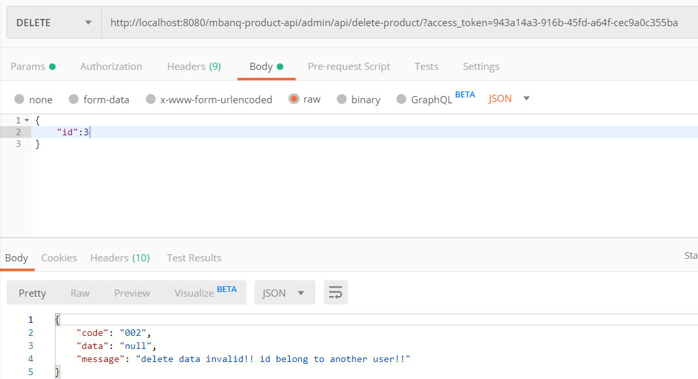
Tittle | Product Api Document

Case 1: Delete product with no access_token

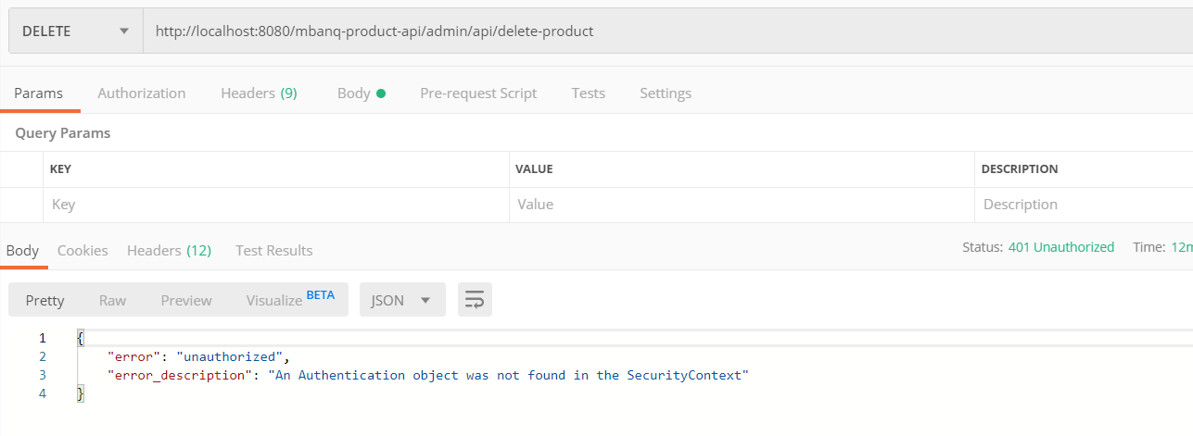

Case 2: Delete product with product id with user(mary) created

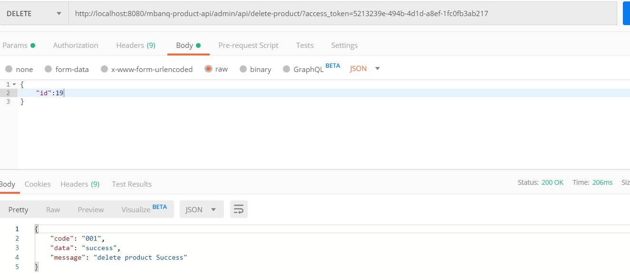

 | Output Data in DB
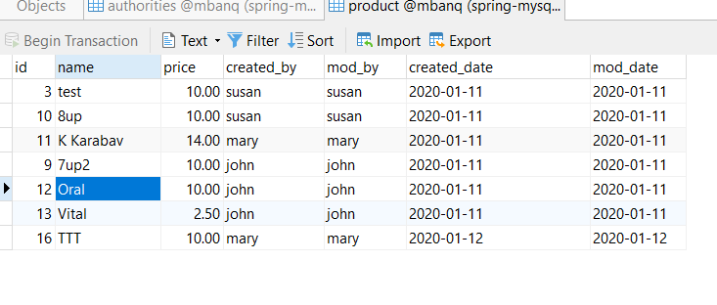

Case 3: Delete produt with not existing id in DB

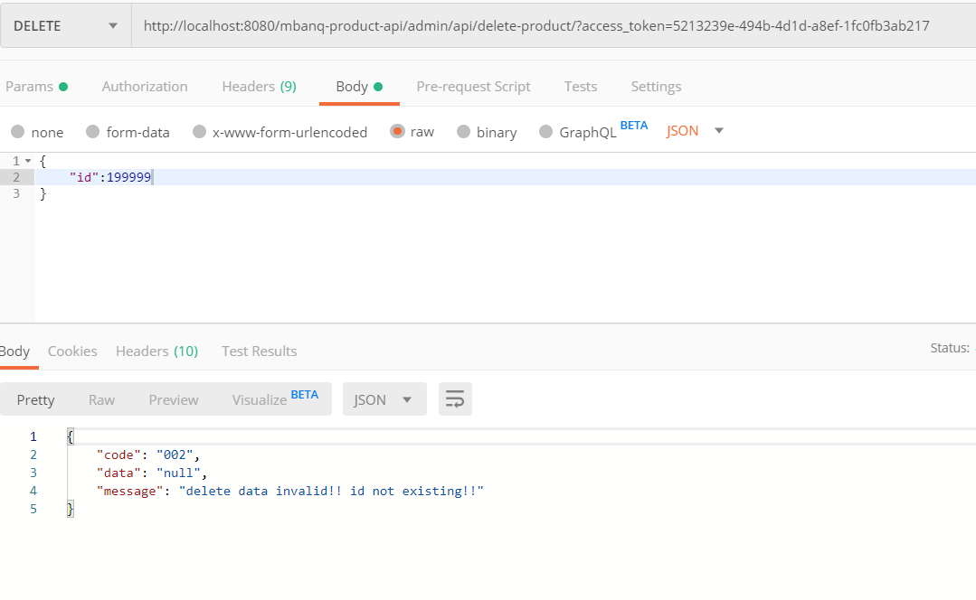

Case 4: Delete product id that another user created
 | Example: id of susan created id=3

Update Data
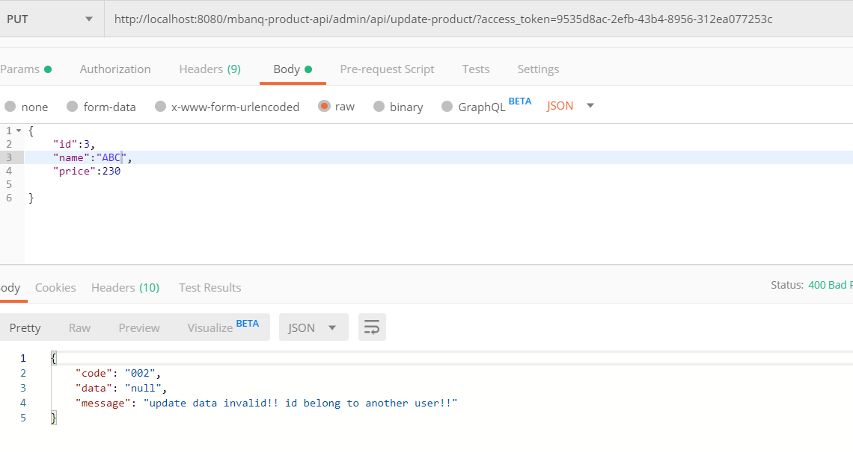
Tittle | Product Api Document

Case 1: Update product with no access_token

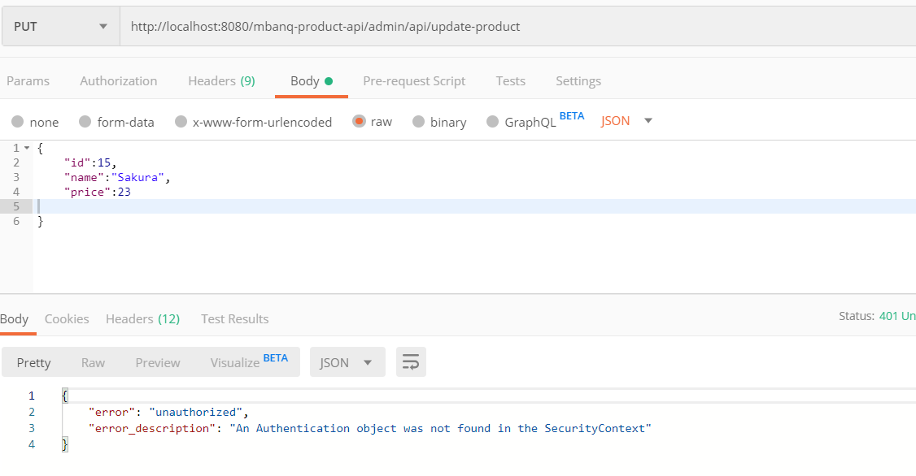

Case 2: Update product with json data name is empty

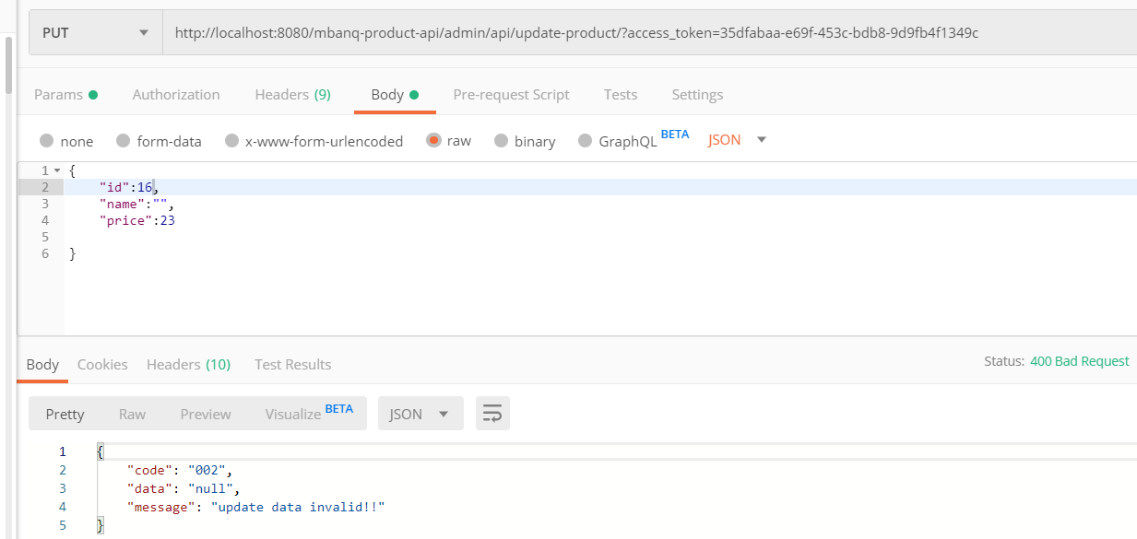

Case 3: Update product with no existing id in DB

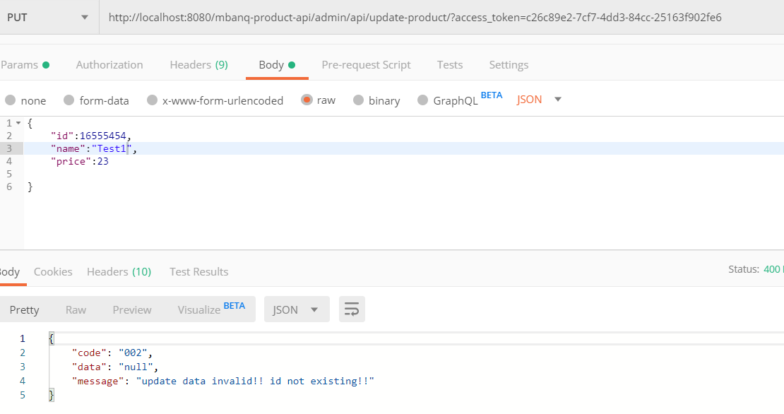

Case 4: Update product with own data

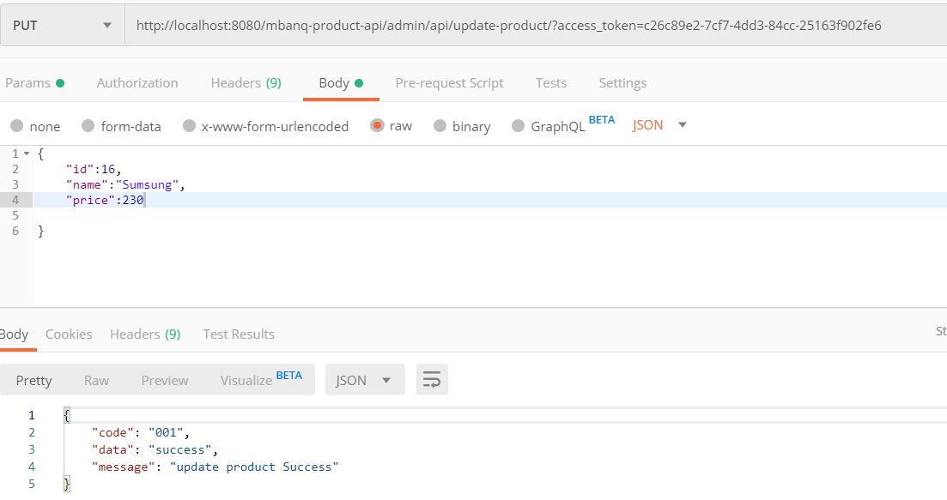

 | Before update DB
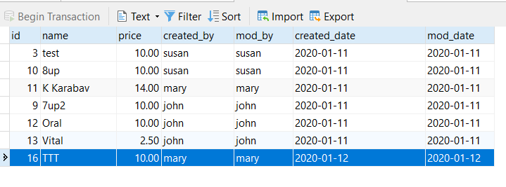

 | After update DB

Case 5: Update product with existing in DB

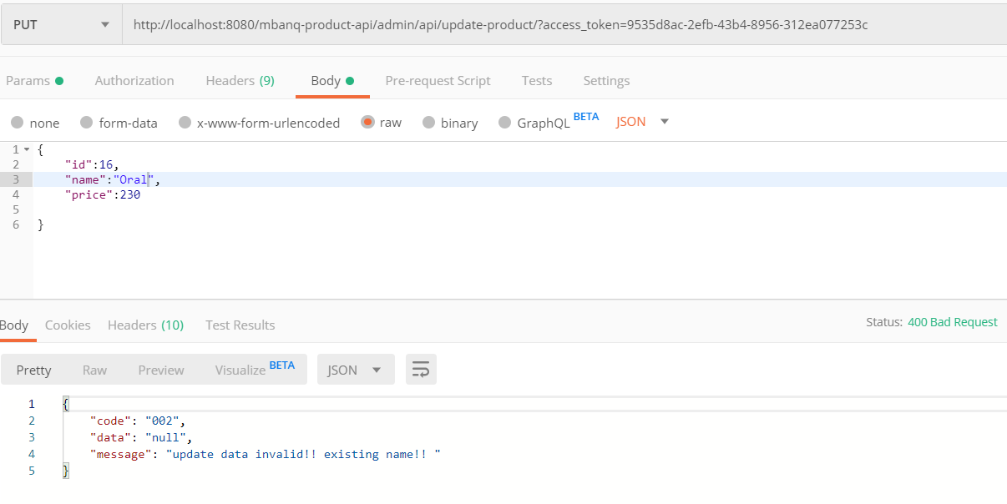

Case 6: Update product with other ower user id
 | Example : id=3 data of susan user

